eval batch 2
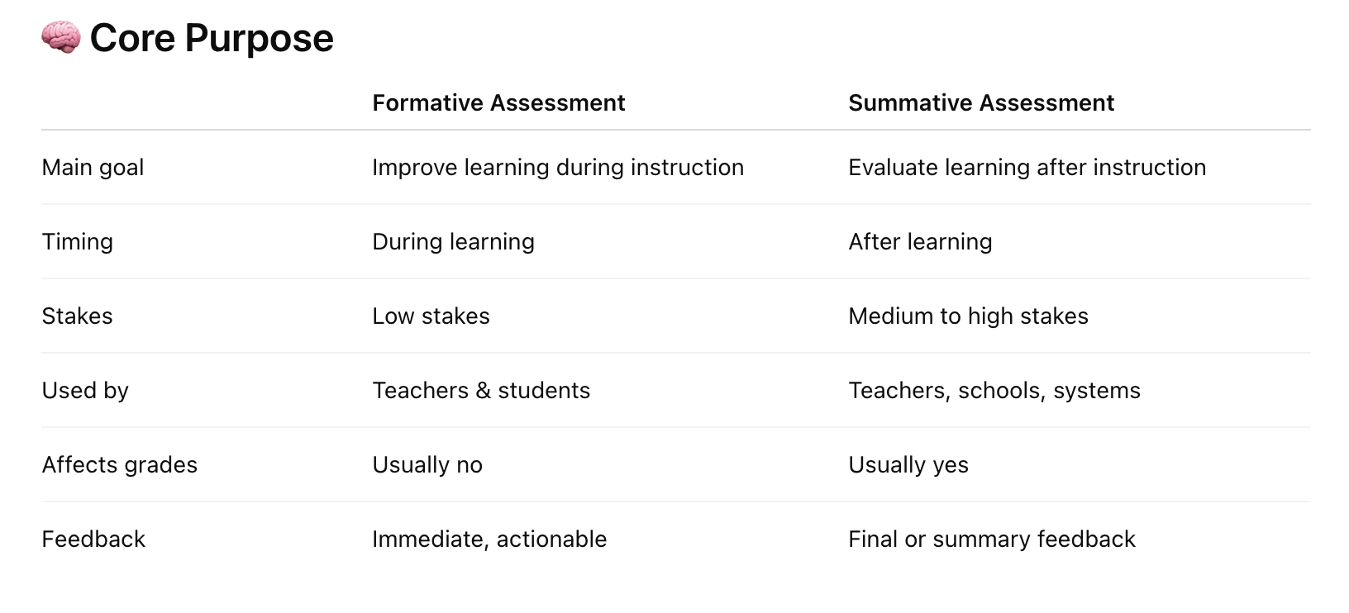
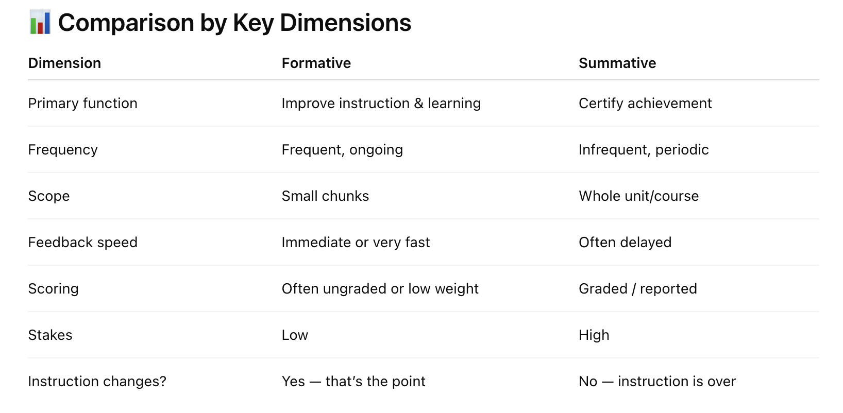
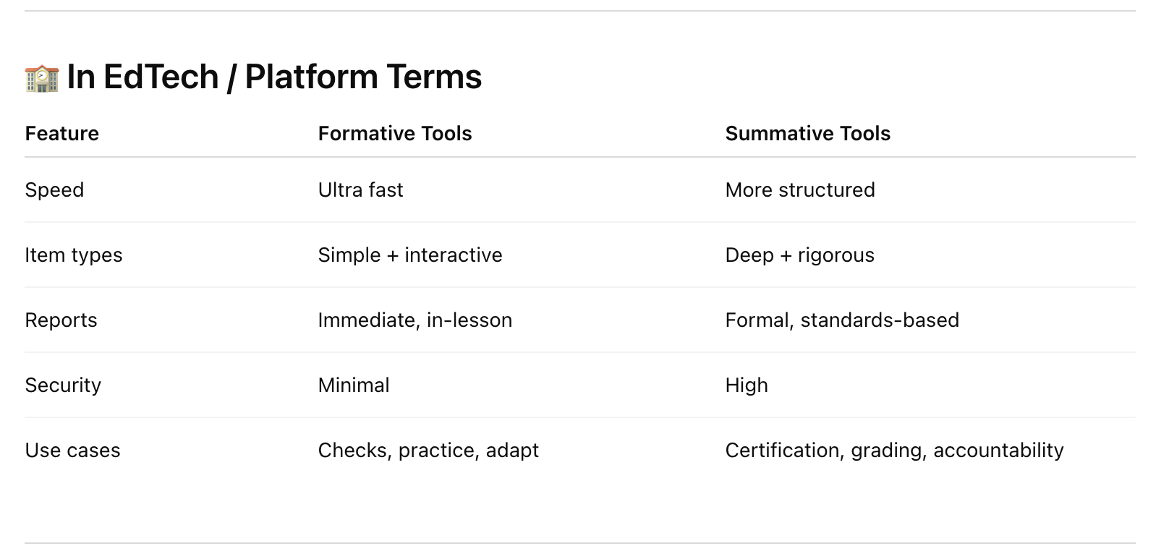
Feedback (internal review + tool) | Content | Overall Score (Out of 10) | Explicit Question [2] | Direct Answer [2.5] | Proof / Authority [2] | Expansion [1.5] | Decision Enablement [1] | Structure [1]
nice | 6. Lesson Plan Closure Examples: How to End Lessons with Impact | 7.0 | 1.4 | 2.0 | 0.8 | 1.4 | 0.8 | 0.6 | *Summative assessment tools
LMS/ LTI as capabilities? should be covered | 31. Summative Assessment Tools: Features, Benefits, and Classroom Uses | 5.3 | 1.0 | 1.5 | 0.6 | 1.2 | 0.6 | 0.4
- bullet points for types, and for purspose (mastery of grades; evaluation; reporting to admins, parents, etc; student/teacher/school decisions) | 27. What Are Summative Assessments? Examples, Advantages, and Classroom Strategies | 6.9 | 1.4 | 2.0 | 0.8 | 1.4 | 0.7 | 0.6
nice | 29. Summative Assessment Types Explained: From Tests to Projects | 7.6 | 1.6 | 2.3 | 1.0 | 1.4 | 0.8 | 0.6
nice | 20. Formative Assessment Types Explained And How to Use Them | 7.6 | 1.4 | 2.3 | 1.0 | 1.5 | 0.8 | 0.6
nice | 10. How to Ask Open-Ended Questions: 10 Best Examples | 6.0 | 1.2 | 1.8 | 0.6 | 1.4 | 0.6 | 0.5
- attributes not well defined attributes can be : grading, measures, answer format (these can be common across all question types) - measures spatial learning, answer format is visual measurement, | 14. What Are Hot Spot Questions? Benefits, Examples, and Classroom Tips | 5.7 | 1.2 | 1.8 | 0.4 | 1.2 | 0.6 | 0.5
similar feedbacks ^^ | 16. What Are Matching Questions? Definition, Examples, and Classroom Strategies | 6.9 | 1.4 | 2.0 | 0.8 | 1.4 | 0.7 | 0.6
nice | 13. How to Write Multiple Choice Questions That Truly Measure Understanding | 6.9 | 1.4 | 2.0 | 0.8 | 1.4 | 0.7 | 0.6

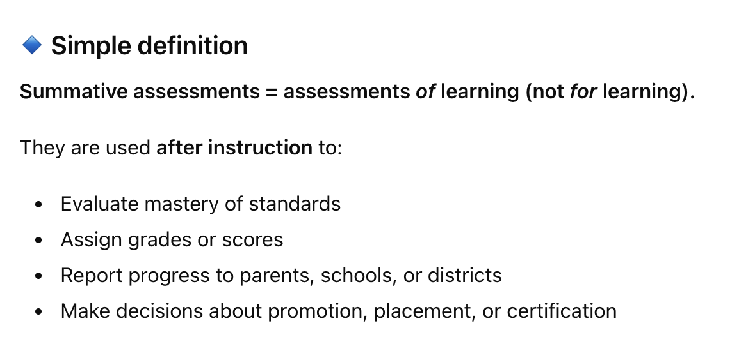
 |  |  |  |  |  |  |  |  | *What are summative assessments
*entity attributes relationship (deinining any entity)
*also more bullet points/ tabular representation for extractions

eval batch 3
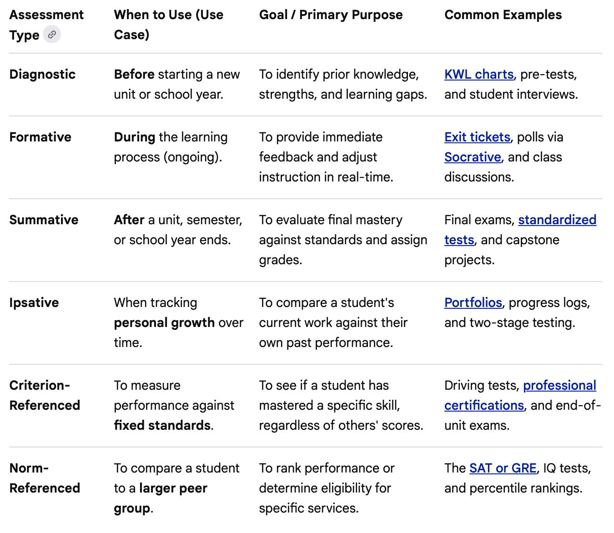
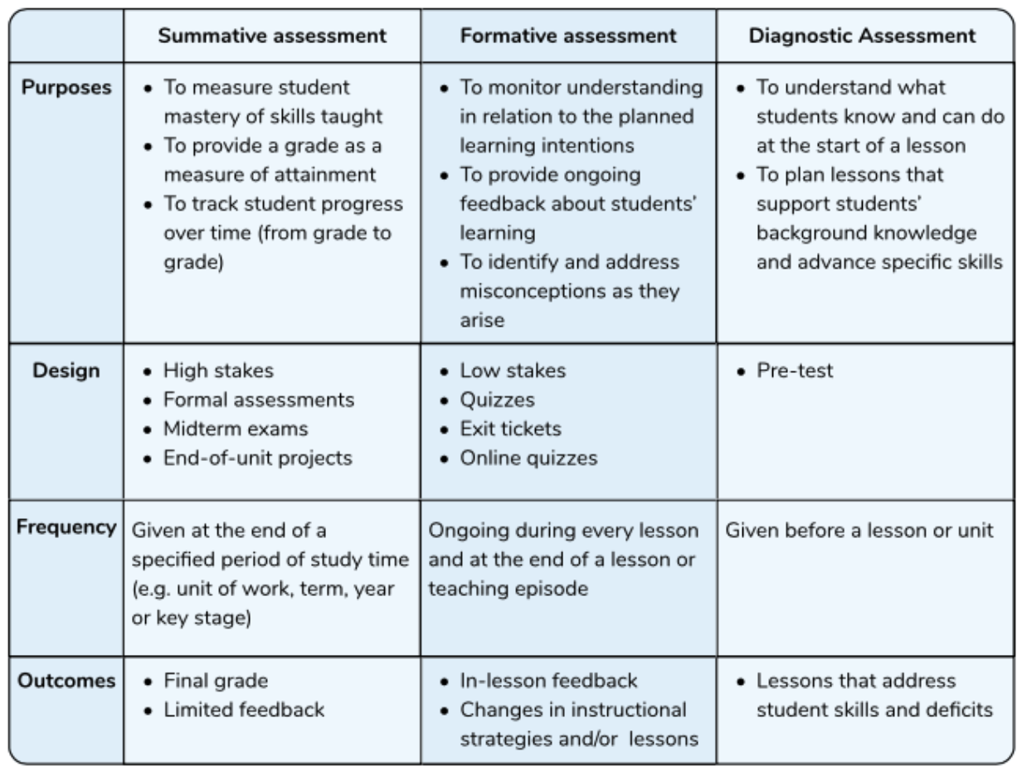
Feedback (internal review + tool) | File | article number | Vetted | pillars | Overall Score (Out of 10) | Explicit Question [2] (Q) | Direct Answer [2.5] (A) | Proof / Authority [2] (P) | Expansion [1.5] (E) | Decision Enablement [1] (D) | Structure [1] (S) | 2 | 2.5 | 2 | 1.5 | 1 | 1 |  | https://chatgpt.com/share/697a08c9-20ac-800d-b49d-774f80563b8b
*Across assessment types (for all the primary ones mentioned in this article) can we use a rubrics/attributes for comparing (will be helpful). refer screenshot below purpose/use-case, design, frequency, outcomes, examples take example of this source too if required (not exact content but the platform, found assessment related citations from them) | 34. What Are the Different Types of Diagnostic Assessment? A Teacher's Guide | 34 |  | assessment | 6.90 | 5 | 8 | 6 | 8 | 7 | 8 | 1.0 | 2.0 | 1.2 | 1.2 | 0.7 | 0.8 | 6.90
none | 23. Is an Exit Ticket a Formative Assessment? | 23 |  | assessment | 6.75 | 9 | 8 | 4 | 7 | 5 | 6 | 1.8 | 2.0 | 0.8 | 1.1 | 0.5 | 0.6 | 6.75
- attributes for question types can be brought here : grading, measures, answer format (might be non-deterministic for this question type, should call out that) - the 3 pointer explanation for this question type - can we make it bullet point wise and next to question (can expand understanding subsequently) They Are Optional Opportunities to Demonstrate Learning, They Are Flexibly Placed Within an Exam, They Are Designed in Common Bonus Question Formats | 15. Bonus Questions for Exams That Engage Every Student0 | 15 |  | question types | 5.55 | 7 | 5 | 3 | 8 | 6 | 5 | 1.4 | 1.3 | 0.6 | 1.2 | 0.6 | 0.5 | 5.55
none | 26. Are Formative Assessments Graded? Understanding the Purpose and Practice0 | 26 |  | assessment | 7.15 | 9 | 8 | 5 | 7 | 7 | 6 | 1.8 | 2.0 | 1.0 | 1.1 | 0.7 | 0.6 | 7.15
same feedback as bonus question; atributes and bullet point summary of primary pointers | 9. How to Write Effective True or False Questions0 | 9 |  | question types | 6.20 | 8 | 6 | 4 | 8 | 6 | 5 | 1.6 | 1.50 | 0.8 | 1.20 | 0.6 | 0.5 | 6.20
this is the best place to show wide variety of question types; their attributes and comparision | 8. Types of Test Questions: How to Choose the Right Format for Every Learner0 | 8 |  | question types | 5.75 | 7 | 4 | 4 | 9 | 7 | 5 | 1.4 | 1.00 | 0.8 | 1.35 | 0.7 | 0.5 | 5.75
*same feedback as using atributes/rubrics (can bring in assessment types atributes relevantly here) (even below screenshots can be referenced) source | 25. What Is the Difference Between Formative and Summative Assessment in the Classroom? | 25 |  | assessment | 8.10 | 10 | 9 | 5 | 9 | 8 | 7 | 2.0 | 2.25 | 1.0 | 1.35 | 0.8 | 0.7 | 8.10
covers comprehensive, maybe bullet points of all assessment types and expanding later. Also add tabular with attributes as below | 17. Education Assessment Methods Explained: From Formative to Peer Assessment | 17 |  | assessment | 6.55 | 8 | 6 | 4 | 9 | 7 | 6 | 1.6 | 1.50 | 0.8 | 1.35 | 0.7 | 0.6 | 6.55
*only attributes missing; otherwise nice | 18. What Are Formative Assessments? A Teacher's Guide | 18 |  | assessment | 7.55 | 9 | 7 | 5 | 10 | 8 | 7 | 1.8 | 1.75 | 1.0 | 1.50 | 0.8 | 0.7 | 7.55
none | 11. 50 Poll Questions for Students That Spark Engagement in Any Classroom0 | 11 |  | question types | 7.90 | 9 | 8 | 5 | 10 | 8 | 8 | 1.8 | 2.00 | 1.0 | 1.50 | 0.8 | 0.8 | 7.90
- repeated words fixes (check teacher feedbacks) - bring in attributes (like for other question types) | 12. How to Design Fill-in-the-Blank Questions for Deeper Learning | 12 |  | question types | 8.30 | 9 | 9 | 6 | 9 | 9 | 8 | 1.8 | 2.25 | 1.2 | 1.35 | 0.9 | 0.8 | 8.30
nice (only image replacement) | 19. The Advantages and Disadvantages of Formative Assessments0 | 19 |  | assessment | 8.05 | 9 | 8 | 6 | 9 | 9 | 8 | 1.8 | 2.00 | 1.2 | 1.35 | 0.9 | 0.8 | 8.05
nice | 7. 10 Lesson Plan Assessment Examples You Should Try | 7 |  | lesson plan | 8.45 | 9 | 9 | 6 | 10 | 9 | 8 | 1.8 | 2.25 | 1.2 | 1.50 | 0.9 | 0.8 | 8.45
nice (there are few teacher feedbacks around opening) (Also comparing them to formatives are part of FAQ, can add few more attributes in answering there) | 35. Diagnostic Assessment Examples: Practical Strategies for Every Classroom | 35 |  | assessment | 8.05 | 9 | 8 | 6 | 9 | 9 | 8 | 1.8 | 2.00 | 1.2 | 1.35 | 0.9 | 0.8 | 8.05
nice | 37. AI Report Card Comment Generator Made for Teachers | 37 |  | generator | 7.55 | 8 | 7 | 7 | 8 | 9 | 7 | 1.6 | 1.75 | 1.4 | 1.20 | 0.9 | 0.7 | 7.55

